Definitions
Definitions

Statistical significance can be seen with percentages in blue and red font on the Tables tab
 | -Statistical significance is tested in every quantitative table in this document through Pearson's Chi-Square Tests of Independence for Contingency Tables generalized for complex samples
 | -Percentages presented in blue font are statistically significantly higher than all other segments in that group when combined at the 0.05 level
 | -Percentages presented in red font are statistically significantly lower than all other segments in that group when combined at the 0.05 level
 | -Percentages presented in black font are not statistically significantly different than all other segments in that group when combined at the 0.05 level
 | -Relevant corrections for multiple comparisons are applied throughout

The seven regions of the report can be seen below.
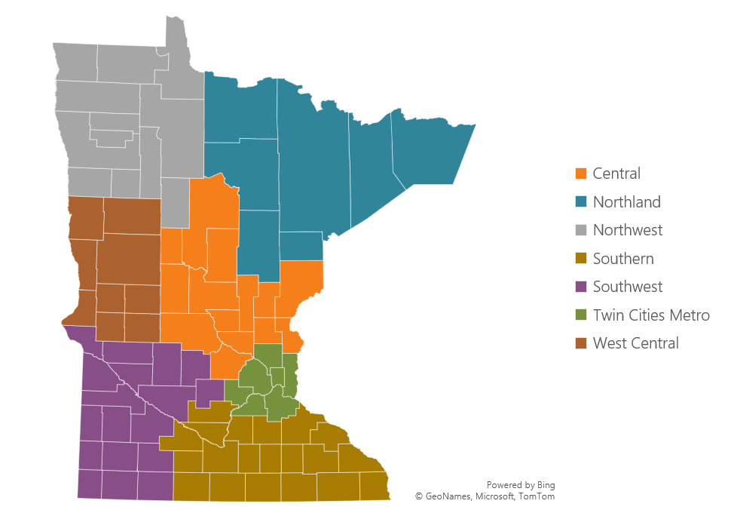 |  | The map on the left presents the Minnesota Council on Foundations’ regions referenced in this report. Response data were weighted to be representative of the state by region.

The Legacy to New Media Use Continuum was generated as follows. New media sources were defined as the following: social media, online forums, and other online sources. Legacy media sources were defined as: local newspapers, TV stations, and radio stations. Responses from Q11. were assigned values of 0 (never), 1 (hardly ever), 2 (sometimes), and 3 (often). Residents’ new media values were subtracted from their legacy media values to group them into the categories of this variable.

Generation Age Categories:
Gen Z (18-27)
Millennial (28-43)
Gen X (44-59)
Baby Boomer+ (60 or older)

